How to Fill Out the EE Report
 |  |  | Employee Expense Report |  |  |  | updated 1/22/2025
Choose from the Drop Down Menu

IF THE DEPARTMENT IS DIFFERENT FROM HOME DEPARTMENT - Choose from the Drop Down Menu
Choose from the Drop Down Menu
Choose from the Drop Down Menu
Name:
Company: | Atlas Insurance Agency Inc.
Dept: | Choose Department
Date

Date | Paid To: | Client / Employee | Business Purpose | Amount | GL Name | GL Number | Department IF Different from Home Dept
 |  |  |  |  | Choose GL | #N/A | Choose Department
 |  |  |  |  | Choose GL | #N/A | Choose Department
 |  |  |  |  | Choose GL | #N/A | Choose Department
Date of the Receipt
Vendor/Business
All attendees - employees and clients. For example lunch with clients - their names and business name.
Any information about the reimbursement. Ex. Continuing Education, Policy Renewal Meeting, etc.
Amount must match the receipt. If it does not - a detailed explanation/breakdown is required.
 |  |  |  |  | Choose GL | #N/A | Choose Department
 |  |  |  |  | Choose GL | #N/A | Choose Department
 |  |  |  |  | Choose GL | #N/A | Choose Department
 |  |  |  |  | Choose GL | #N/A | Choose Department
 |  |  |  |  | Choose GL | #N/A | Choose Department
 |  |  |  |  | Choose GL | #N/A | Choose Department
 |  |  |  |  | Choose GL | #N/A | Choose Department
 |  |  |  |  | Choose GL | #N/A | Choose Department
 |  |  |  |  | Choose GL | #N/A | Choose Department
 |  |  |  |  | Choose GL | #N/A | Choose Department
 |  |  |  |  | Choose GL | #N/A | Choose Department
 |  |  |  |  | Choose GL | #N/A | Choose Department
 |  |  | Total | $-
Automatically calculated - verify that the total is correct before submission.

EMPLOYEES SIGNATURE: _________________________________________________________________________ DATE ________________________________

Beginning Jan 1st 2023 Accounting will no longer be making corrections. If there are errors the expense report will be rejected. If the expense report is submitted in the incorrect format the report will be rejected.

APPROVED BY: _________________________________________________________________________ DATE ________________________________

 | By signing this Employee Expense Report you are confirming that this report is valid and free of errors. If there are errors the report will be rejected.

Employee Expense Checklist
- Properly filled out Employee Expense Report Template
- Provided all receipts/documentation for reimbursement
- Obtained approval from Manager/Supervisor
To Submit:
- Email ap@atlasinsurance.com
- Employee Expense Report in Excel Format
- All the receipts/documentation as one PDF
- Beginning January 1st 2023 all reports must be submitted in the above format and free of errors. If they do not meet these requirements the reports will be rejected.
 |  |  |  |  |  | For Accounting Use Only
 |  |  |  |  |  | Received:
 |  |  |  |  |  | Pay Period:
 |  |  |  |  |  | Reviewed by:

2025 Payroll Schedule
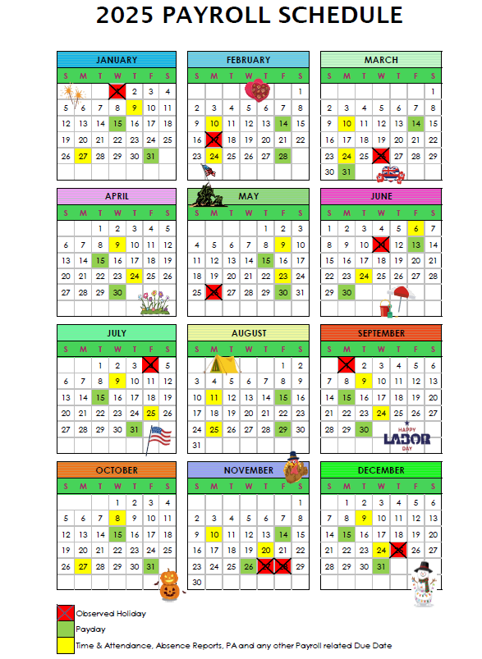

Simplified Policy
 |  |  | updated 12/22/22 | 2025-01-22

Employee Expense Report Policy

1 | Expense report must be properly completed and free of errors.

2 | Scanned copies of the receipts must be included for all expense items. Exception is allowed for valet, parking, and housekeeping
 | - must acknowledge there is no receipt.

3 | Expense must be reasonable with a business related purpose.

4 | Employee business expense reports must be approved by supervisor / department head.

5 | In order to get reimbursed, submit to Accounting for processing by 12:00 p.m. on the due date,
 | which are the yellow calendar days on the YYYY Payroll Schedule calendar provided by Human
 | Resources. See tab 2025 Payroll Schedule for deadlines.

6 | IRS Requirement: Reports must include: Receipts, Names, Business Names, and Business Purpose for:
 |  | Business Meals
 |  | Entertainment
 |  | Business Gifts
 |  | Travel
 |  | Advertising Sponsorships (Booths/Tradeshows)
 |  | Golf & Charity Sponsorships

 | If you would like to read the full Expense Reimbursement Policy please visit the intranet.

